Q3
CCO eCoaching Log

Schedule
 | Planned milestone finish date |  | 2016-12-01 |  | Q3 iteration completed. Dec 1, 2016 - Feb. 28, 2017
 | Actual/Forecast milestone finish date |  | 2017-02-28
 | Milestone % Complete |  | 100%

Quality
 | Number of defects by severity | Current Iteration |  | Prior Iteration |  | Analysis
 |  | Open | Closed | Open | Closed
 | Critical | 1 | 1 | 1 | 2
 | High | 0 | 0 | 0 | 0
 | Medium | 1 | 1 | 0 | 0
 | Low | 0 | 0 | 0 | 0

 | Peer Reviews | Number of defects | Total Effort | Number of reviewers | Effort per defect found | Analysis
 | Functional Spec |  |  |  | #DIV/0! | No peer reviews were performed in this period.
 | Detail Design |  |  |  | #DIV/0! | No detailed design reviews were performed in this period.

 | Open vs Closed Change Requests | Current Iteration |  | Prior Iteration |  | Analysis
 |  | Open | Closed | Open | Closed | Several WITs were openned near the end of the Q3 iteration that were moved to Q4
 | Critical | 1 | 1 | 2 | 2
 | High | 9 | 7 | 9 | 9
 | Medium | 14 | 11 | 3 | 5
 | Low | 7 | 7 | 4 | 4
Effort
 |  | Currrent Iteration | OYTD |  |  | Analysis
 | Bid | 836 | 2445 |  |  | Analysis
 | Actual | 1065 | 2976 |  |  | Additional effort required from Suzy and Doug than Bid. Corrective Action: Communicated variance to Program. They approved to continue work regardless of the variance. Continue to monitor.
 | Bid Variance | 229 | 531
 | Percent | 27.39% | 21.72%

 | Size of Work Items | Current Iteration |  | Iteration Objective |  | Analysis
 | Small (< 20 hrs) | 22 |  | 8 |  | More smaller admin tasks than estimated. The one large one was worked on across Q2 and Q3
 | Medium (20 - 80 hrs) | 3 |  | 5
 | Large (> 120 hrs) | 1 |  | 1

Cost
 |  | Current Iteration | OYTD |  |  | Analysis
 | Bid | $78,807.00 | $230,383.00 |  |  | Additional effort required from Suzy and Doug than Bid. Corrective Action: Communicated variance to Program. They approved to continue work regardless of the variance. Continue to monitor.
 | Actual | $98,121.00 | $268,034.00
 | variance | $19,314.00 | $37,651.00
 | Percent | 24.51% | 16.34%

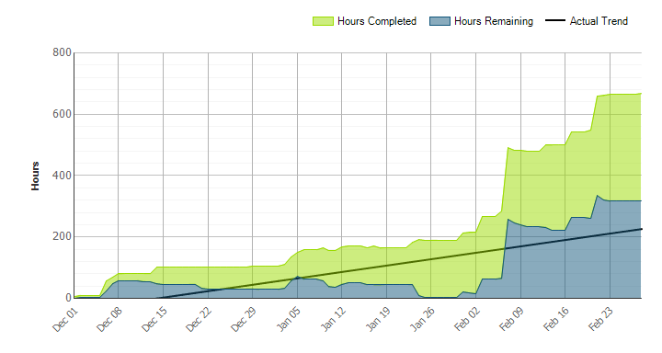

 |  |  |  |  |  |  | Several WITs were openned near the end of the Q3 iteration that were moved to Q4

Q2
CCO eCoaching Log

Schedule
 | Planned milestone finish date |  | 2016-11-30 |  | Q2 iteration completed. Sept 1 - Nov 30
 | Actual/Forecast milestone finish date |  | 2016-11-30
 | Milestone % Complete |  | 100%

Quality
 | Number of defects by severity | Current Iteration |  | Prior Iteration |  | Analysis
 |  | Open | Closed | Open | Closed | The test environment doesn't have the same load as production. During the implementation of 3598, it was discovered that several of the stored procedures for supervisors and managers on my dashboard was taking longer than expected. The changes for 3598 were rolled back and 3923 was created to find a solution for the stored procedures.
 | Critical | 1 | 2 | 1 | 1
 | High | 0 | 0 | 3 | 3
 | Medium | 0 | 0 | 2 | 2
 | Low | 0 | 0 | 0 | 0

 | Peer Reviews | Number of defects | Total Effort | Number of reviewers | Effort per defect found | Analysis
 | Functional Spec |  |  |  | #DIV/0! | No peer reviews were performed in this period.
 | Detail Design | 9 | 8 | 2 | 0.88888888889 | all the defects were wording or naming corrections, they were all corrected

 | Open vs Closed Change Requests | Current Iteration |  | Prior Iteration |  | Analysis
 |  | Open | Closed | Open | Closed | There was one large item that was worked during this time however it was not completed during this iteration
 | Critical | 2 | 2 | 3 | 3
 | High | 9 | 9 | 20 | 13
 | Medium | 3 | 5 | 3 | 2
 | Low | 4 | 4 | 5 | 4
Effort
 |  | Currrent Iteration | OYTD |  |  | Analysis
 | Bid | 836 | 1607 |  |  | Analysis
 | Actual | 884 | 1878 |  |  | Additional effort required from Suzy and Doug than expected. Corrective Action: Communicated variance to Program. They approved to continue work regardless of the variance. Continue to monitor.
 | Bid Variance | 48 | 271
 | Percent | 5.74% | 16.86%

 | Size of Work Items | Current Iteration |  | Iteration Objective |  | Analysis
 | Small (< 20 hrs) | 19 |  | 8 |  | More smaller admin tasks than estimated. There was one large item that was worked during this time however it was not completed during this iteration
 | Medium (20 - 80 hrs) | 1 |  | 5
 | Large (> 120 hrs) | 0 |  | 1

Cost
 |  | Current Iteration | OYTD |  |  | Analysis
 | Bid | $78,806.89 | $151,576.52 |  |  | YTD = Additional effort required from Lili, Suzy and Doug than Bid.
 | Actual | $80,613.65 | $169,936.46
 | variance | $1,806.76 | $18,359.94
 | Percent | 2.29% | 12.11%

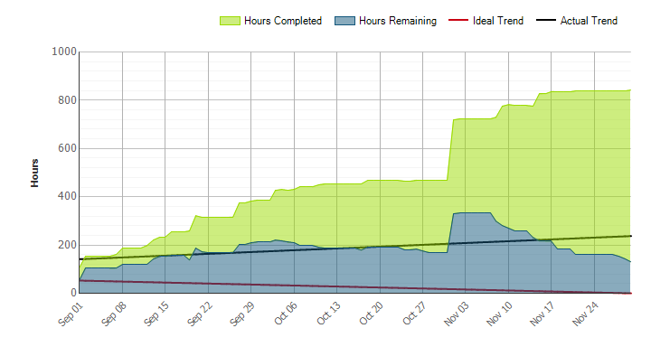

 |  |  |  |  |  |  | There was one large item that was worked during this time however it was not completed during this iteration

Q1
CCO eCoaching Log

Schedule
 | Planned milestone finish date |  | 2016-08-31 |  | Q1 iteration completed. June 1 - Aug 31
 | Actual/Forcast milestone finish date |  | 2016-08-31
 | Milestone % Complete |  | 100%

Quality
 | Number of defects by severity | Current Iteration |  | Prior Iteration |  | Analysis
 |  | Open | Closed | Open | Closed | This is the first quarter for capturing this metric. The 1 Critical defect was John Tiongson lost access and permissions to eCL Admin Tool and could no longer process requests to inactivate, reassign or reactivate ecoaching logs. John's job code changed and the permissions in the admin tool is based on the user's job code. The impact to the production system for all of the defects was minor. We will begin trend analysis as each quarter passes.
 | Critical | 1 | 1 | N/A | N/A
 | High | 3 | 3 | N/A | N/A
 | Medium | 2 | 2 | N/A | N/A
 | Low | 0 | 0 | N/A | N/A

 | Peer Reviews | Number of defects | Total Effort | Number of reviewers | Effort per defect found | Analysis
 | Functional Spec |  |  |  | #DIV/0! | No peer reviews were performed in this period.
 | Detail Design |  |  |  | #DIV/0!

 | Open vs Closed Change Requests | Current Iteration |  | Prior Iteration |  | Analysis
 |  | Open | Closed | Open | Closed | We will begin trend analysis as each quarter passes.
 | Critical | 3 | 3 | N/A | N/A
 | High | 20 | 13 | N/A | N/A
 | Medium | 3 | 2 | N/A | N/A
 | Low | 5 | 4 | N/A | N/A
Effort
 |  | Current Iteration | OYTD |  |  | Analysis
 | Bid | 771 | 771 |  |  | Analysis
 | Actual | 994 | 994 |  |  | Additional effort required from Suzy and Doug than expected. Corrective Action: Communicated variance to Program. They approved to continue work regardless of the variance. Continue to monitor.
 | Bid Variance | 223 | 223
 | Percent | 28.92% | 28.92%

 | Size of Work Items | Current Iteration |  | Iteration Objective |  | Analysis
 | Small (< 20 hrs) | 26 |  | 8 |  | More smaller admin tasks than estimated.
 | Medium (20 - 80 hrs) | 2 |  | 5
 | Large (> 120 hrs) | 0 |  | 1

Cost
 |  | Current Iteration | OYTD |  |  | Analysis
 | Bid | $72,769.63 | $72,769.63 |  |  | Additional effort required from Suzy and Doug than expected.
 | Actual | $89,322.81 | $89,322.81
 | variance | $16,553.18 | $16,553.18
 | Percent | 22.75% | 22.75%

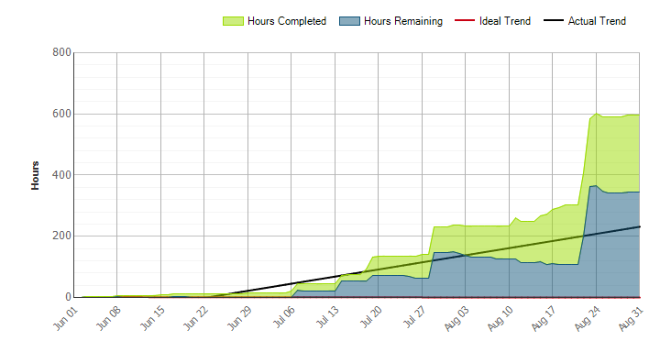
 |  |  |  |  |  |  | Analysis
 |  |  |  |  |  |  | At the end of the iteration there was a large WIT that was added. It was carried over to the next iteration

